Project3755
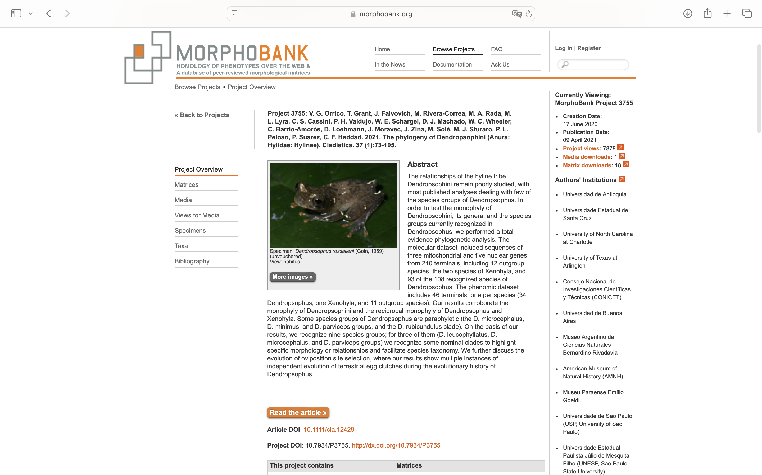
Charlabels | Character Pattern | Unseen States
[1] 'Premaxilla relation with nasal capsules in dorsal view.' | Transformational | NO
[2] 'Sphenethmoid dorsal extension.' | Transformational | YES
[3] 'Nasals overlap with sphenethmoid.' | Transformational | NO
[4] 'Degree of frontoparietal fontanelle covering by the medial margins of the anterior third portion of frontoparietals.' | Transformational | YES
[5] 'Degree of tectum synoticum covering by the medial margins of the posterior third portion of frontoparietals.' | Transformational | YES
[6] 'Posterolateral development of frontoparietals.' | Transformational | NO
[7] 'Lateral portion of the nasal relation to the lateroposterior portion of the cartilago obliqua in dorsal view.' | Transformational | NO
[8] 'Lateral margin of nasal in dorsal view.' | Transformational | YES
[9] 'Dorsal cartilaginous articulation between exooccipitals.' | NT?;0=0-;1=11;2=12
[10] 'Crista parotica ossification.' | NT?;0=0-;1=11;2=12
[11] 'Otic plate of squamosal.' | Transformational | NO
[12] 'Columellae orientation to medial body axis.' | Transformational | YES
[13] 'Operculum dorsal visibility.' | Neomorphic | NO
[14] 'Alary process of premaxilla shape.' | Transformational | YES
[15] 'Alary process of premaxilla angle in relation to pars dentalis.' | Transformational | YES
[16] 'Pars facialis of the maxilla.' | Transformational | NO
[17] 'Processus maxillaris of the planum terminale anterior development.' | Neomorphic | NO
[18] 'Quadratojugal.' | Neomorphic | NO
[19] 'Relationship between quadratojugal and squamosal (in males).' | Transformational | NO
[20] 'Relationship between quadratojugal and maxilla (in males).' | Transformational | NO
[21] 'Maxillary process of the nasal.' | Neomorphic | NO
[22] 'Frontoparietal orbital flange.' | Neomorphic | NO
[23] 'Pars externa plectri shape.' | Transformational | YES
[24] 'Anterior process of vomer.' | Neomorphic | NO
[25] 'Angle of vomers medial margins in relation to sagital axis.' | Transformational | YES
[26] 'Vomers dentigerous process structure.' | Transformational | NO
[27] 'Relationship between dentigerous process and the main body of vomer.' | Transformational | NO
[28] 'Maxillary teeth.' | Transformational | NO
[29] 'Mandibular odontoids.' | Neomorphic | NO
[30] 'Maxilla lenght.' | Transformational | YES
[31] 'Palatines medial margin shape.' | Transformational | YES
[32] 'Lateral development of palatines.' | NT?;0=0-;1=11;2=12
[33] 'Medial development of palatines.' | Transformational | YES
[34] 'Sphenethmoid ventral anterior degree of ossification.' | Transformational | YES
[35] 'Sphenethmoid ventral posterior degree of ossification.' | Transformational | NO
[36] 'Sphenethmoid lateral degree of ossification.' | NT?;0=0-;1=11;2=12
[37] 'Degree of ossification of sphenethmoid lateral margins.' | Transformational | YES
[38] 'Relationship between pterygoid anterior ramus and maxilla.' | Transformational | NO
[39] 'Nature of contact between pterygoid anterior ramus and maxilla.' | Transformational | NO
[40] 'Pterygoid medial flange.' | Neomorphic | NO
[41] 'Length of the medial ramus of pterygoid.' | NT?;0=0-;1=11;2=12
[42] 'Margin of the basal process covered by the medial ramus of the pyterigoid.' | Transformational | YES
[43] 'Length of the posterior ramus of pyterigoid.' | Transformational | YES
[44] 'Ocular fenestra size.' | Transformational | YES
[45] 'Ossification of oculomotor foramen medial margin.' | Neomorphic | NO
[46] 'Relationship between prootic and exooccipital ventrally.' | Neomorphic | NO
[47] 'Parasphenoid cultriform process margins.' | Transformational | YES
[48] 'Parasphenoid posterior margin.' | Transformational | YES
[49] 'Parasphenoid alae lateral extension.' | Transformational | YES
[50] 'Ventral cartilaginous contact between exooccipitals.' | Transformational | YES
[51] 'Cartilaginous plate.' | Neomorphic | NO
[52] 'Crista subnasalis ventral edge.' | Transformational | YES
[53] 'Conection between processus lingularis and lamina orbitonasalis.' | Neomorphic | NO
[54] 'Processus prenasalis medius.' | Neomorphic | NO
[55] 'Cartilago obliqua lateral margin curvature in relation to medial axis.' | Transformational | YES
[56] 'Crista supraorbitalis.' | Transformational | NO
[57] 'Crista supraorbitalis shape.' | Transformational | YES
[58] 'Retrolateral process of crista parotica.' | Neomorphic | NO
[59] 'Relationship between the annulus tympanicus and crista parotica.' | Neomorphic | NO
[60] 'Anterior process of hyoid.' | Neomorphic | NO
[61] 'Shape of the anterior process of hyoid.' | Transformational | YES
[62] 'Hyoid anterolateral--or alary--process presence.' | Neomorphic | NO
[63] 'Hyoid anterolateral--or alary--process shape.' | Neomorphic | NO
[64] 'Shape of the tip of the anterolateral process of hyoid.' | Transformational | YES
[65] 'Hyal basal portion.' | Transformational | YES
[66] 'Hyoid posterolateral process orientation.' | Transformational | YES
[67] 'Hyoid posterolateral process origin.' | Transformational | YES
[68] 'Hyoid plate medial mineralization.' | Neomorphic | NO
[69] 'Shape of hyoid plate medial mineralization.' | Transformational | YES
[70] 'Area of hyoid plate.' | Transformational | NO
[71] 'Caudal third portion of thyrohyals.' | Transformational | NO
[72] 'Shape of the posterior (caudal) cartilaginous portion of thyrohyal.' | Transformational | YES
[73] 'Point of attachment of hyale to the skull.' | Transformational | YES
[74] 'Medial ventral margins of arytenoids.' | Transformational | YES
[75] 'Medioventral arytenoid fibrous masses.' | Transformational | YES
[76] 'Arytenoids inner longitudinal ridges.' | Neomorphic | NO
[77] 'Ventromedial vocal chord ligaments.' | NT?;0=0-;1=11;2=12
[78] 'Internal buttresses of the arytenoids.' | Neomorphic | NO
[79] 'Central butresses' | Neomorphic | NO
[80] 'Paramedial butresses' | Neomorphic | NO
[81] 'Dorsomedial prominence of the arytenoids.' | NT?;0=0-;1=11;2=12;3=13
[82] 'Bronchial process point of origin.' | Transformational | YES
[83] 'Esophageal process in males.' | NT?;0=0-;1=11;2=12
[84] 'Esophageal margin of cricoid ring in esophageal view.' | Transformational | YES
[85] 'Posterior margins of the arytenoids in lateral view.' | Transformational | NO
[86] 'Xiphisternum distalmost shape.' | Transformational | NO
[87] 'Coracoid crest.' | Neomorphic | NO
[88] 'Anterior process of the suprascapula.' | Neomorphic | NO
[89] 'Number of distal prepolical elements.' | Transformational | YES
[90] 'Mineralization of intercalary elements between ultimate and penultimate phalanges.' | NT2;0=0-;1=11;2=12
[91] 'Intercalary element shape.' | Transformational | YES
[92] 'Posterior margin of vertebra VI.' | Transformational | YES
[93] 'Shape of the sacral diapophysis.' | Transformational | YES
[94] 'Transverse process of Vertebra IV.' | Transformational | YES
[95] 'Sacral sesamoid.' | Neomorphic | NO
[96] 'Sacral sesamoid - nature.' | Neomorphic | NO
[97] 'Metatarsal I sesamoid.' | Neomorphic | NO
[98] 'Metatarsal II sesamoid.' | Neomorphic | NO
[99] 'Metatarsal II sesamoid - shape.' | Transformational | YES
[100] 'Metatarsal III sesamoid.' | Neomorphic | NO
[101] 'Metatarsal III sesamoid - shape.' | Transformational | YES
[102] 'M. pectoralis portio axillary presence.' | Neomorphic | NO
[103] 'M. pectoralis origin.' | Transformational | YES
[104] 'Pectoral lymph septum.' | Transformational | NO
[105] 'Frontal lines - I.' | Neomorphic | NO
[106] 'Frontal lines - II.' | Transformational | YES
[107] 'Frontal lines - III.' | Transformational | YES
[108] 'Canthal stripe - I.' | Neomorphic | NO
[109] 'Canthal stripe - II.' | Transformational | YES
[110] 'Frontal and canthal lines connection.' | Transformational | YES
[111] 'Inferior margin of the orbit position in relation to the nostrils.' | Transformational | YES
[112] 'Vocal sac morphology.' | Transformational | YES
[113] 'Color of the vocal sac inflatable portion in preservative.' | Transformational | YES
[114] 'Skin around the margin of the lower lip.' | Transformational | YES
[115] 'Nostril position.' | Transformational | YES
[116] 'Subnarial spot.' | Neomorphic | NO
[117] 'Suborbital white bar presence.' | Neomorphic | NO
[118] 'Number of suborbital white bars.' | Transformational | YES
[119] 'Suborbital white bar - extension.' | Transformational | YES
[120] 'Tympanic membrane pigmentation differentiation.' | Neomorphic | NO
[121] 'Axillary membrane.' | Neomorphic | NO
[122] 'Preaxillary pectoral fold.' | Neomorphic | NO
[123] 'Postaxillar pectoral fold presence.' | Neomorphic | NO
[124] 'Shape of the postaxillar pectoral fold.' | Transformational | YES
[125] 'Webbing insertion between fingers II and III (scored on II).' | NT?;0=0-;1=11;2=12
[126] 'Webbing insertion between fingers III and IV (scored on III).' | NT?;0=0-;1=11;2=12;3=13
[127] 'Webbing insertion between fingers III and IV (scored on IV).' | NT?;0=0-;1=11;2=12;3=13
[128] 'Webbing insertion between fingers IV and V (scored on IV).' | NT?;0=0-;1=11;2=12;3=13
[129] 'Webbing insertion between fingers IV and V (scored on V).' | NT?;0=0-;1=11;2=12;3=13;4=14
[130] 'Webbing insertion between toes I and II (scored on I).' | NT?;0=0-;1=11
[131] 'Webbing insertion between toes I and II (scored on II).' | NT?;0=0-;1=11;2=12
[132] 'Webbing insertion between toes II and III (scored on II).' | NT?;0=0-;1=11;2=12
[133] 'Webbing insertion between toes II and III (scored on III).' | NT?;0=0-;1=11;2=12;3=13
[134] 'Webbing insertion between toes III and IV (scored on III).' | NT?;0=0-;1=11;2=12;3=13
[135] 'Webbing insertion between toes III and IV (scored on IV).' | NT?;0=0-;1=11;2=12;3=13
[136] 'Webbing insertion between toes IV and V (scored on IV).' | NT?;0=0-;1=11;2=12;3=13
[137] 'Webbing insertion between toes IV and V (scored on V).' | NT?;0=0-;1=11;2=12
[138] 'Flanks ornamentation pattern.' | Transformational | YES
[139] 'Pelvic girdle melanin deposits.' | Neomorphic | NO
[140] 'Belly ornamentation pattern.' | Transformational | YES
[141] 'Throat ornamentation pattern.' | Transformational | YES
[142] 'Thigh posterior and dorsal areas relation.' | Transformational | YES
[143] 'Thigh posterior area pattern.' | Transformational | YES
[144] 'Thigh ventral area pattern.' | Transformational | YES
[145] 'Shanks dorsal coloration pattern.' | Transformational | YES
[146] 'Cloacal sheath.' | Transformational | NO
[147] 'White line above cloaca.' | Neomorphic | NO
[148] 'White lines above heels.' | Neomorphic | NO
[149] 'Ulnar fold presence.' | Neomorphic | NO
[150] 'Ulnar fold nature.' | Transformational | YES
[151] 'Tarsal fold presence.' | Neomorphic | NO
[152] 'Tarsal fold nature.' | Transformational | YES
[153] 'Tibial ventral fold.' | Neomorphic | NO
[154] 'Calcar presence.' | Neomorphic | NO
[155] 'Calcar shape.' | Transformational | YES
[156] 'Toe I disc shape.' | Transformational | YES
[157] 'Male glandular nuptial pad extension.' | Transformational | YES
[158] 'Male glandular nuptial pad shape.' | Transformational | YES
[159] 'Male nuptial excrescence presence.' | NT?;0=0-;1=11;2=12
[160] 'Male pectoral gland presence.' | Neomorphic | NO
[161] 'Male pectoral gland shape.' | Transformational | YES
[162] 'Female pectoral gland presence.' | Neomorphic | NO
[163] 'Dorsum ornamentation.' | Transformational | YES
[164] 'Chromosome number.' | Transformational | YES
[165] 'Larval body shape in dorsal view.' | Transformational | YES
[166] 'Larval body shape in lateral view.' | Transformational | YES
[167] 'Larval tail shape.' | Transformational | YES
[168] 'Oral disc position.' | Transformational | YES
[169] 'Oral disc marginal labial papillae.' | Neomorphic | NO
[170] 'Marginal labial papillae row posterolateral gap.' | Transformational | YES
[171] 'Number of rows of inferior marginal labial papillae.' | Transformational | NO
[172] 'Rows of lateral marginal labial papillae.' | Transformational | NO
[173] 'Anterior labial tooth rows.' | Neomorphic | NO
[174] 'Number of anterior labial tooth rows.' | Transformational | YES
[175] 'Posterior labial tooth rows.' | Neomorphic | NO
[176] 'Number of posterior labial tooth rows.' | Transformational | YES
[177] 'Sheath of thickened tissue in the basal portion of the tail muscle and adjacent fins.' | Neomorphic | NO
[178] 'Larval fin coloration.' | Transformational | YES
[179] 'Relation between larval tail fins.' | Transformational | YES
[180] 'Tadpole body dorsal coloration.' | Transformational | NO
[181] 'Tadpole dorsal tail fin initial lateral profile.' | Transformational | YES
[182] 'Larval nostril position.' | Transformational | YES
[183] 'Larval nostril orientation.' | Transformational | YES
[184] 'Larval nostril shape.' | Transformational | YES
[185] 'Position of the proctodeal tube with respect to the ventral caudal fin.' | Transformational | YES
[186] 'Myocardium.' | Neomorphic | NO
[187] 'Pericardium iridophores.' | Neomorphic | NO
[188] 'Lung pigmentation.' | Neomorphic | NO
[189] 'Liver color.' | Transformational | YES
[190] 'Liver size.' | Transformational | YES
[191] 'Number of visible liver lobes in ventral view.' | Transformational | YES
[192] 'Relative size of liver halves.' | Transformational | YES
[193] 'Kidneys posterior cardinal sinus.' | Neomorphic | NO
[194] 'Mesenterium.' | Neomorphic | NO
[195] 'Size relation between testes and kidneys.' | Transformational | YES
[196] 'Testes coloration.' | Transformational | YES
[197] 'Intestinal visceral peritoneum.' | Neomorphic | NO
[198] 'Rectum coloration.' | NT?;0=0-;1=11;2=12
[199] 'Urinary bladder.' | Neomorphic | NO
[200] 'Site of clutch deposition.' | Transformational | YES
[201] 'Rhodomelanocrom presence.' | Neomorphic | NO

